Instructions
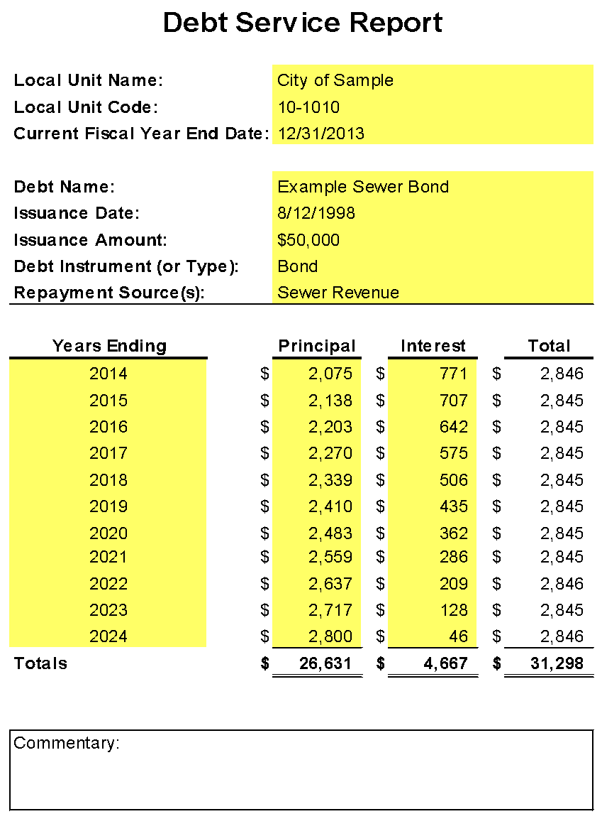
INSTRUCTIONS FOR THE DEBT SERVICE REPORT TEMPLATE

To fill out the Debt Service Report, you will need a copy of each of your debt service schedules
(including, but not limited to, notes, bonds, certificates, mortgages, loans, leases or other
agreements between a lender and a borrower). Report debt service requirements for each debt
issuance separately. Fill in the yellow highlighted portions; everything else will be calculated for
you.

 | 1. | Fill in the Local Unit Name, Local Unit Code, and Current Fiscal Year End Date.

 | 2. | For additional debt issuances, copy and paste the "Debt Service" tab as needed.

 | 3. | For each debt, fill in the Debt Name, Issuance Date, Issuance Amount, Debt Instrument
 |  | (or Type), and Repayment Source(s).

 |  |  | a. | Examples of debt instruments include, but are not limited to, notes, bonds,
 |  |  |  | certificates, mortgages, loans, leases or other agreements between a lender
 |  |  |  | and a borrower.

 | 4. | Years Ending column - Enter the fiscal year end date in the Years Ending column. Add
 |  | more rows as necessary to report all the current and future annual debt service
 |  | requirements for the debt issuance until it reaches maturity or is paid in full.

 | 5. | Principal and Interest columns - Fill in the Principal and Interest amounts off the debt
 |  | service schedule(s).

 | 6. | Commentary box - Provide additional information as necessary.

Before publishing the Debt Service Report on your website, we highly recommend
you "Hide" the "Instructions" tab so that this document will be user-friendly. To hide
a tab (or row), right click on the tab (or row) and select "Hide".

Make sure when you print or save this document to a PDF, you print the "Debt Service" tab.

DEBT SERVICE REPORT EXAMPLE

